Fund Note
ICICI Prudential Mid Cap Fund - Direct

Analysis Report as on 31th August 2026

Fund & Scheme Details |  | Top 10 Stock Holdings

Inception Date: | 1st Jan 2013 | Apar Industries Ltd. |  |  |  | 5.77%
AUM (In Cr.) : | 8,403.00 | Multi Commodity Exchange Of India Ltd. |  |  |  | 5.30%
Plan Type: | Direct Growth Plan | Hindustan Petroleum Corporation Ltd. |  |  |  | 4.50%
Asset Class: | Equity | Jindal Steel Ltd. |  |  |  | 3.96%
Scheme Type: | Mid Cap | BSE Ltd. |  |  |  | 3.95%
Benchmark: | Nifty Midcap 150 TRI | APL Apollo Tubes Ltd. |  |  |  | 3.80%
Total Expense Ratio: | 1.11% | PB Fintech Ltd. |  |  |  | 3.14%
Exit Load: | 1% for 365 days | KEI Industries Ltd. |  |  |  | 2.99%
Turnover Ratio | 18.00% | Bharat Forge Ltd. |  |  |  | 2.94%
Fund Manager: | Lalit Kumar, Sharmila D'Silva | Muthoot Finance Ltd. |  |  |  | 2.92%

Asset Allocation |  | Top 5 Sectors Holdings
Equity | 98.01
Cash | 1.99
Financials | 0.21397246303
Metals | 0.16267210607
Capital Goods | 0.15665476798
Automobile and Ancillaries | 0.13391126976
Chemicals | 0.095971443141
Others | 0.23681795003

Riskometer - Fund |  | Riskometer - Benchmark
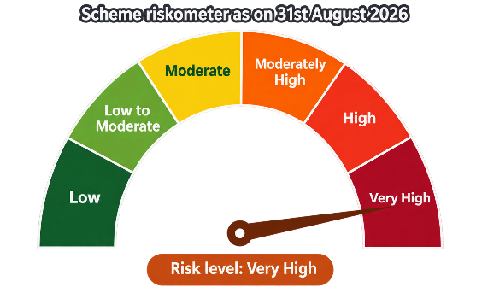
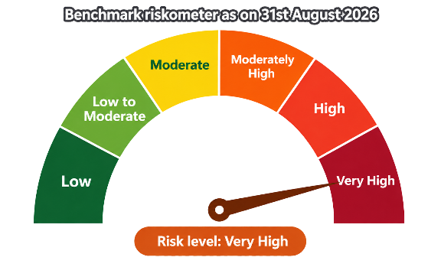

Fund Overview

ICICI Prudential Mid Cap Fund is an open-ended equity scheme that seeks to generate long-term capital appreciation by investing predominantly in a diversified portfolio of mid-cap equities. In accordance with regulatory guidelines, the scheme maintains a minimum exposure of 65% of its total assets to mid-cap stocks at all times. The fund is benchmarked against the Nifty Midcap 150 TRI and primarily invests in companies whose market capitalization falls within the range defined by the constituents of the Nifty Midcap 100 Index — spanning from the lowest to the highest market capitalization among them.

Source: ICICI Prudential AMC factsheet - data as on 31st August 2026, Morningstar, Value Research Online, RupeeVest

Return Analysis

Particular |  |  | 1 Year | 3 Year | 5 Year | 7 Year

CAGR%
ICICI Prudential Mid Cap Fund |  |  | 13.64% | 21.72% | 18.03% | 22.68%
Nifty Midcap 150 TRI |  |  | 5.00% | 15.29% | 16.29% | 22.77%
Nifty 50 TRI |  |  | -6.97% | 6.47% | 7.03% | 12.66%

Value of 1,00,000 invested Lumpsum
ICICI Prudential Mid Cap Fund |  |  | 113,640.00 | 180,337.41 | 229,066.74 | 418,231.15
Nifty Midcap 150 TRI |  |  | 105,000.00 | 153,240.98 | 212,672.75 | 420,383.63
Nifty 50 TRI |  |  | 93,030.00 | 120,692.91 | 140,451.90 | 230,350.01

XIRR%
ICICI Prudential Mid Cap Fund |  |  | 24.00% | 18.96% | 21.10% | 23.40%
Nifty Midcap 150 TRI |  |  | 15.17% | 11.90% | 17.29% | 17.59%
Nifty 50 TRI |  |  | -3.20% | 2.90% | 7.08% | 10.55%

Value of 10,000 invested via monthly SIP
ICICI Prudential Mid Cap Fund |  |  | 135,228.91 | 475,581.17 | 1,013,571.30 | 1,932,396.50
Nifty Midcap 150 TRI |  |  | 129,580.36 | 430,024.91 | 923,781.29 | 1,047,458.98
Nifty 50 TRI |  |  | 117,926.39 | 376,314.18 | 717,295.27 | 1,223,087.19

SIP Performance |  | Lumpsum Performance

 | Invested Amount | Market Value | XIRR
7 | 8.4 | 19.323965 | 0.234
5 | 6 | 10.135713 | 0.211
3 | 3.6 | 4.7558117 | 0.1896
1 | 1.2 | 1.3522891 | 0.24
 | Invested Amount | Market Value | CAGR
7 | 1 | 4.1823114527 | 0.2268
5 | 1 | 2.2906674025 | 0.1803
3 | 1 | 1.8033741124 | 0.2172
1 | 1 | 1.1364 | 0.1364

The fund has outperformed both the Nifty Midcap 150 TRI and Nifty 50 TRI across most periods, in both lumpsum and SIP modes, except for the 7-year lumpsum. The lumpsum investment delivered CAGR returns of 13.64%, 21.72%, 18.03% and 22.68% for 1-year, 3-year, 5-year, and 7-year periods, respectively. Meanwhile, SIP investments generated XIRR of 24.00%, 18.96%, 21.10% and 23.40% for the same respective periods. This broad-based outperformance across market cycles and investment modes reflects the fund manager's effective stock selection and portfolio strategy within the midcap segment. The benchmark returns for Nifty Midcap 150 TRI have been calculated using the Motilal Oswal Nifty Midcap 150 Index Fund, while the returns for Nifty 50 TRI have been calculated using the Aditya Birla Sun Life Nifty 50 Index Fund.

Source: ICICI Prudential AMC factsheet - data as on 31st August 2026, Morningstar, Value Research Online, RupeeVest

Risk Analysis
Particular |  | Std Dev | Sharpe | Sortino | Beta | Alpha
ICICI Prudential Mid Cap Fund |  | 18.59% | 0.94 | 1.37 | 1.01 | 5.65%
Nifty Midcap 150 TRI |  | 17.83% | 0.66 | 0.86 | 1.00 | 0.00%
Category Average |  | 17.74% | 0.72 | 0.94 | 0.96 | 1.55%

The fund has a marginally higher standard deviation of 18.59% compared to the Nifty Midcap 150 TRI and the category average. However, this has been well compensated by the fund's superior risk-adjusted returns. The Alpha of 5.65% highlights the fund manager's ability to generate meaningful excess returns, while the Sharpe ratio of 0.94 is notably higher than both the benchmark and category average. The Sortino ratio of 1.37 further suggests that the fund has managed downside volatility more effectively than its peers, despite a higher overall standard deviation. With a Beta of 1.01, the fund moves largely in line with the broader market — marginally higher than the category average of 0.96 — indicating close-to-full market participation rather than a defensive positioning.

Portfolio Analysis

Particular |  |  |  | Fund | Category | Index
Price/Earnings |  |  |  | 31.18 | 23.70 | 21.12
Price/Book |  |  |  | 3.41 | 2.55 | 2.08
Price/Sales |  |  |  | 1.65 | 2.75 | 2.39
Price/Cash Flow |  |  |  | 21.61 | 25.57 | 12.60
Dividend Yield % |  |  |  | 0.87% | 0.71% | 1.39%
Long-Term Earnings % |  |  |  | 20.71% | 14.97% | 12.24%
Cash-Flow Growth % |  |  |  | 28.81% | 17.73% | 8.96%
Book-Value Growth % |  |  |  | 15.06% | 13.89% | 14.02%

Portfolio Summary |  |  |  |  |  | Fund
Number Of Stocks |  |  |  |  |  | 81
Top 10 Stocks (%) |  |  |  |  |  | 39.27%
Top 5 Stocks (%) |  |  |  |  |  | 23.47%
Top 3 Stocks (%) |  |  |  |  |  | 15.57%
Avg. Mkt. Cap (cr.) |  |  |  |  |  | 70,000.00

Sector Type Exposure |  |  | Market cap weightage
Cyclical | 62.89
Sensitive | 34.83
Defensive | 2.28
Large Cap | 20.97
Mid Cap | 69.64
Small Cap | 9.39

Detailed Sector Exposure |  |  |  |  | Fund | Category
Basic Materials |  |  |  |  | 25.00% | 7.56%
Consumer Cyclical |  |  |  |  | 10.82% | 13.96%
Financial Services |  |  |  |  | 21.42% | 26.30%
Real Estate |  |  |  |  | 5.65% | 2.87%
Cyclical |  |  |  |  | 62.89% | 50.69%
Communication Services |  |  |  |  | 1.41% | 2.91%
Energy |  |  |  |  | 4.59% | 1.31%
Industrials |  |  |  |  | 27.34% | 18.40%
Technology |  |  |  |  | 1.49% | 9.76%
Sensitive |  |  |  |  | 34.83% | 32.38%
Consumer Defensive |  |  |  |  | 0.00% | 2.86%
Healthcare |  |  |  |  | 2.27% | 11.95%
Utilities |  |  |  |  | 0.01% | 2.12%
Defensive |  |  |  |  | 2.28% | 16.93%

The fund trades at a discount to its category (P/E of 31.18x vs. 23.70x), indicating a value-oriented stock selection approach. It is strongly overweight in Basic Materials and Industrials, alongside an underweight in Technology and Healthcare, reflecting a portfolio tilted toward cyclical and manufacturing-linked businesses.

Source: ICICI Prudential AMC factsheet - data as on 31st August 2026, Morningstar, Value Research Online, RupeeVest

Disclaimer: This is an educational assignment/project and not a recommendation to buy or sell. The author is not a SEBI Registered Invesment Advisor. Please conduct your own research and due diligence before making any financial decision. Mutual Fund investments are subject to market risks, read all scheme related documents carefully. Past performance is not indicative of future returns.

Author - Sanidhya Ekhar

